Sheet1
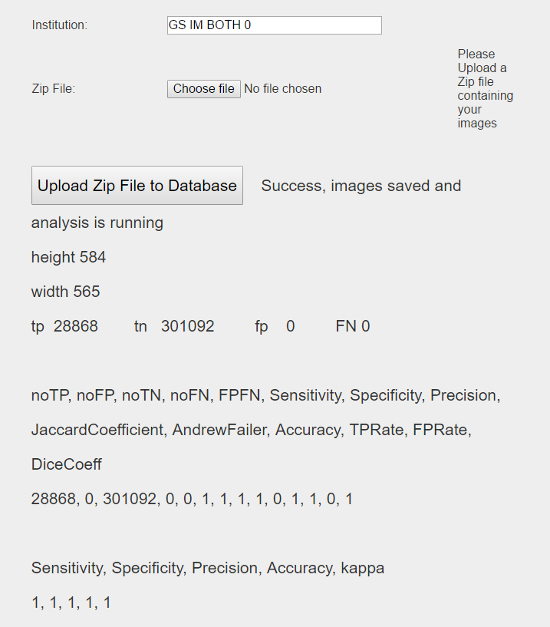
 | GS = 8 IM = 0 | GS = 3 IM = 0 | GS = 4 IM = 0 | GS AND IM 0 | GS 10 IM = 0

TP | 5391 | 5403 | 5219 | 28868 | 3802
FN | 20965 | 23985 | 21601 | 0 | 23626
TN | 280127 | 277107 | 279491 | 301092 | 277466
FP | 23477 | 23465 | 23649 | 0 | 25066

TPFP | 28868.00 | 28868.00 | 28868.00 | 28868.00 | 28868.00
TPFN | 26356.00 | 29388.00 | 26820.00 | 0.00 | 27428.00
FPTN | 303604.00 | 300572.00 | 303140.00 | 329960.00 | 302532.00
FNTN | 301092.00 | 301092.00 | 301092.00 | 0.00 | 301092.00
FPFN | 44442.00 | 47450.00 | 45250.00 | 329960.00 | 48692.00
TPTN | 285518.00 | 282510.00 | 284710.00 | 28868.00 | 281268.00
TOTAL | 329960.00 | 329960.00 | 329960.00 | 329960.00 | 329960.00

Sens | 0.20454545 | 0.18385055 | 0.19459359 | #DIV/0! | 0.13861747
Spec | 0.92267230 | 0.92193218 | 0.92198654 | 0.00000000 | 0.91714595
Prec | 0.18674657 | 0.18716226 | 0.18078842 | #DIV/0! | 0.13170292
Jaccard | 0.10818133 | 0.10222693 | 0.10341001 | 0.00000000 | 0.07242733
Andrew | 0.07115105 | 0.07111468 | 0.00000000 | 0.00000000 | 0.07596678
Acc | 0.86531095 | 0.85619469 | 0.86286217 | 0.08748939 | 0.85243060
Tprate | 0.20454545 | 0.18385055 | 0.19459359 | #DIV/0! | 0.13861747
FPRate | 0.07732770 | 0.07806782 | 0.07801346 | #DIV/0! | 0.08285405
 |  |  |  | #DIV/0!
reflilkihood | 0.07987635 | 0.08906534 | 0.08128258 | #DIV/0! | 0.08312523
resliklihood | 0.08748939 | 0.08748939 | 0.08748939 | #DIV/0! | 0.08748939
randAcc | 0.84661093 | 0.83902981 | 0.84545075 | #DIV/0! | 0.84393053
Kappa | 0.12191234 | 0.10663390 | 0.11265930 | 0.00000000 | 0.05446335
dicecoeff | 0.19524120 | 0.18549162 | 0.18743715 | #DIV/0! | 0.13507176

 | First | Second | Third | Fourth | fifth
Sensitivity | 0.20454545 | 0.18385055 | 0.19459359 | 0.13861747 | 0.13861747
Specificity | 0.92267230 | 0.92193218 | 0.92198654 | 0.91714595 | 0.91714595
Accuracy | 0.86531095 | 0.85619469 | 0.86286217 | 0.85243060 | 0.85243060
kappa | 0.12191234 | 0.10663390 | 0.11265930 | 0.05446335 | 0.05446335

